BUG REPORT
 |  |  | BUG REPORT

Bug ID | Title | Steps to Reproduce | Expected Result | Actual Result | Environment | Screenshots/screencast/Logfiles
0 | The wrong error message is displayed when the Last name field is blank | * Open the User Profile Creation page at https://qa-assessment.pages.dev . * Fill out all other fields except the Last Name. * Click on Submit. | The error message “Last name must be filled out” should be displayed . | The error message “First name must be filled out” displayed | Operating System: Ubuntu 20.04 LTSBrowser: Google Chrome Version 98.0.4758.102Application Version: N/A | 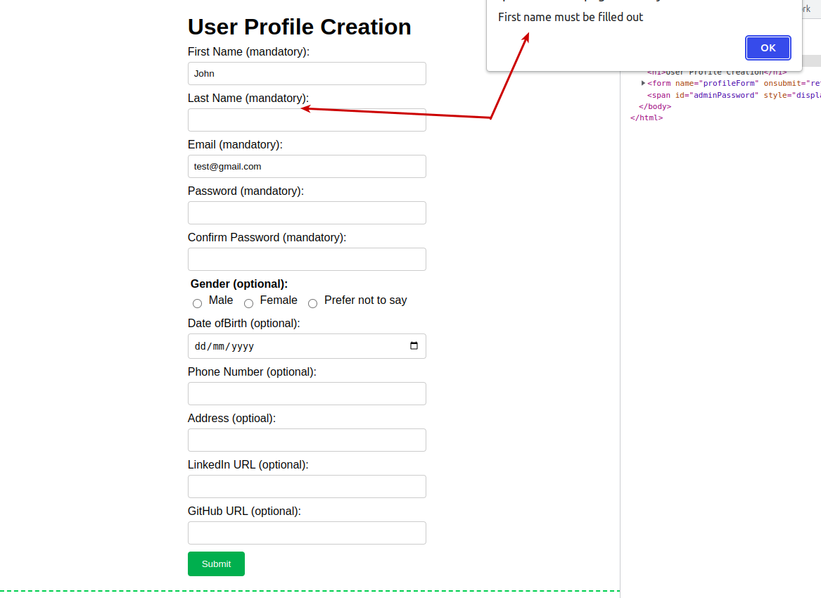
1 | Validation for Firstname , Last Name and Address fields accepts an indefinite character length | * Open the User Profile Creation page at https://qa-assessment.pages.dev * Enter a limitless number of characters in the first name, last name, and address fields (e.g., hold down a key on your keyboard for as long as you want) * Please ensure that all other fields are filled in correctly before submitting the form. | * The validation should limit the number of characters that can be entered in the Firstname and Last Name fields. * If the number of characters entered by the user is greater than the maximum character length defined, the form should not be submitted * An error message should be displayed to inform the user that the input is invalid. | * There is no validation to limit the number of characters that can be entered in the First name, Last name, and Address fields. * The form can be submitted even if the user enters a limitless number of characters. | Operating System: Ubuntu 20.04 LTSBrowser: Google Chrome Version 98.0.4758.102Application Version: N/A | 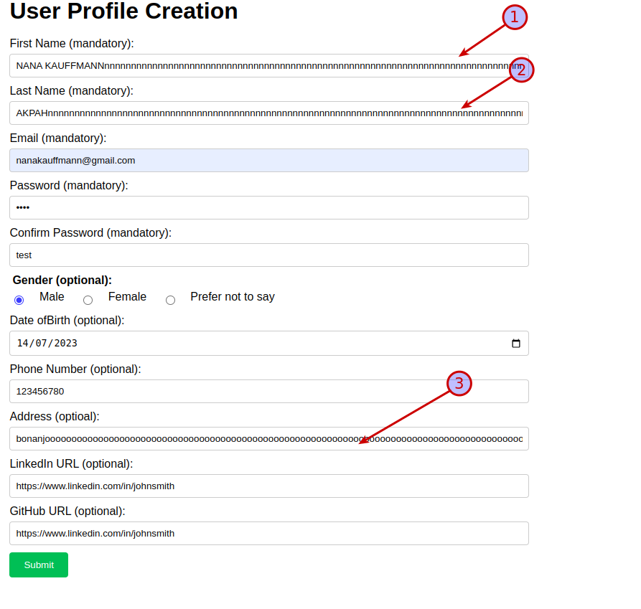
2 | “Date of birth” field accept an invalid date format DD-MM-YYY | * Open the User Profile Creation page at https://qa-assessment.pages.dev * Click on the calendar feature in the “Date of Birth” field and select a date of birth. | The date of birth field must accept the date format YYYY-MM-DD | The date of birth field instead accept the date format DD-MM-YYYY | Operating System: Ubuntu 20.04 LTSBrowser: Google Chrome Version 98.0.4758.102Application Version: N/A
3 | No space between “of” and “birth” in the date of Birth label | * Open the User Profile Creation page at https://qa-assessment.pages.dev * Double check the “Date of Birth” label | There should be a space between “of” and “Birth” in the label, so it should be “Date of Birth” | There is currently no space between “of” and “Birth” so it is “Date ofBirth” | Operating System: Ubuntu 20.04 LTSBrowser: Google Chrome Version 98.0.4758.102Application Version: N/A
4 | Calendar validation in The “Date of Birth” field accept a future Date of Birth | * Open the User Profile Creation page at https://qa-assessment.pages.dev * Click on the calendar feature in the “Date of Birth” field and select a future date of birth | There should be a future date restriction validation to prevent users from selecting a future date, as no one can be born in the future. | Users are able to select a future date of birth. | Operating System: Ubuntu 20.04 LTSBrowser: Google Chrome Version 98.0.4758.102Application Version: N/A
5 | Calendar validation in The “Date of Birth” field accept a date of birth too far in the past | *Open the User Profile Creation page at https://qa-assessment.pages.dev * Click on the calendar feature in the “Date of Birth” field and select a date of birth too far in the past (1665-06-25). | There should be a past date restriction validation to prevent users from selecting a date too far in the past. | Users are able to select a date too far in the past. | Operating System: Ubuntu 20.04 LTSBrowser: Google Chrome Version 98.0.4758.102Application Version: N/A
6 | Form submission allowed without meeting password requirements | * Open the User Profile Creation page at https://qa-assessment.pages.dev * Go to the password fields and enter a non required password (e.g test) * Please ensure that all other fields are filled in correctly before submitting the form. | * Form submission should be only allowed when password matches the following format. * Alphanumeric characterssymbolsE.g P@ssw0rdAn error message should be displayed to the user if they entered the wrong password | Users are able submit form with wrong passwordNo error message is displayed. | Operating System: Ubuntu 20.04 LTSBrowser: Google Chrome Version 98.0.4758.102Application Version: N/A
7 | A warning message is displayed, asking the user to fill out the LinkedIn URL field, even though it is optional | * Open the User Profile Creation page at https://qa-assessment.pages.dev * Fill out all other fields except the “Linkedin URL” field * Click on submit | Users should be able to submit the form even if they don't fill out the 'LinkedIn URL' field. | Users cannot submit the form when the 'LinkedIn URL' field is blank | Operating System: Ubuntu 20.04 LTSBrowser: Google Chrome Version 98.0.4758.102Application Version: N/A | 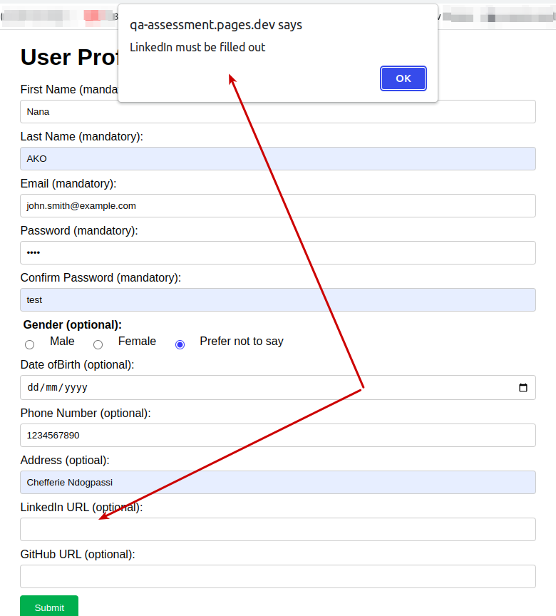
8 | The radio button for gender is missing the option “non-binary” | * Open the User Profile Creation page at https://qa-assessment.pages.dev * Double check the Gender field | The Radio button for gender should have the option “non-binary" | The Radio button for gender should is missing the option “non-binary" | Operating System: Ubuntu 20.04 LTSBrowser: Google Chrome Version 98.0.4758.102Application Version: N/A
9 | Users are unable to uncheck a gender option once it has been checked | * Open the User Profile Creation page at https://qa-assessment.pages.dev * Check the male checkbox * Try to uncheck it | Users should be able to uncheck the checkbox because it’s an optional field. | Users are unable to uncheck a gender option once it has been checked | Operating System: Ubuntu 20.04 LTSBrowser: Google Chrome Version 98.0.4758.102Application Version: N/A
10 | The data collected from the form is not encrypted, which is a significant security flaw | * Open the User Profile Creation page at https://qa-assessment.pages.dev * Fill out all the mandatory fields and submit the form * Press F12 key to open the browser’s inspector * Double check the request that was sent. | Users confidential data such password should be encrypted | Users confidential data such password should is not encrypted | Operating System: Ubuntu 20.04 LTSBrowser: Google Chrome Version 98.0.4758.102Application Version: N/A
11 | The linkedin and Github fields accept multiple urls | * Open the User Profile Creation page at https://qa-assessment.pages.dev * Go to the LinkedIn and Github fields and enter multiple urls in both fields(e.g https://www.linkedin.com/in/johnsmithhttps://www.linkedin.com/in/johnsmithhttps://www.linkedin.com/in/johnsmithhttps://www.linkedin.com/in/johnsmithhttps://www.linkedin.com/in/johnsmith * Please ensure that all other fields are filled in correctly before submitting the form. | Both linkedin and Github fields should accept each one url | Both linkedin and Github fields accept multiple urls. | Operating System: Ubuntu 20.04 LTSBrowser: Google Chrome Version 98.0.4758.102Application Version: N/A

